Sheet1
Problem:
Following are the scores obtained by trainees in 3 different categories. Test whether 3 categories have performed equally by using Kruskal Wallis H test.

A | 68 | 65 | 92 | 82 | 62 | 64 | 68 | 92 | 86 | 64
B | 93 | 86 | 73 | 87 | 76 | 85 | 67 | 79 | 75 | 75
C | 95 | 72 | 85 | 70 | 80 | 80 | 78 | 85 | 72 | 90

Setting Of Hypothesis:
Null Hypothesis (H0):

Alternate Hypothesis(H1):

Level of Significance:
Let α be the level of significance.
Therefore , α=0.05

Degree of freedom = 3-1=2

Test Statistics:

Calculation Using Spss:

Spss Syntax:
DATASET ACTIVATE DataSet1.
NPAR TESTS
/K-W=Scores BY Categories(1 3)
/MISSING ANALYSIS.

SPSS Output:
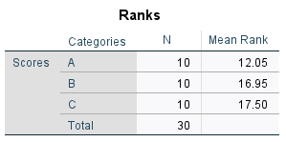
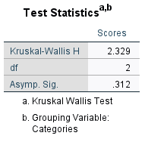

Critical Value:

The critical value of chi square at 0.05 level of significance is :
χ2= | 5.9914645471
//formula =CHIINV(alpha, df)

Decision:

Conclusion:

